A -Basic Logical
BASIC LOGICAL STATEMENT

EXPENSES |  |  | Expenses over the following amount MUST be approved
Name | Total | Approval Required?
Said Fawzy | £800 | No Approval | Threshold: | £1,000
Samir Hasn | £1,200 | Approval
Hala Zidan | £1,000 | Approval
Naglaa Fathy | £750 | No Approval
Mary Morad | £500 | No Approval
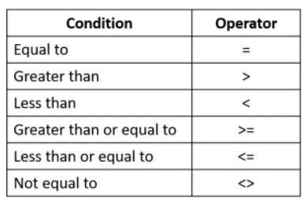
Fekry Askar | £800 | No Approval
Hosam Tayel | £1,300 | Approval

